Payment Method Selection
<<TEST SCENARIO
TEST CASE ID | TEST SCENARIO ID | TEST CASE TITLE | PRE- REQUISITES | TEST STEPS | TEST DATA | EXPECTED RESULT | ACTUAL RESULT | STATUS | COMMENT
TC_PMS_001 | TS_003 (Payment Method Selection) | Verify direct bank transfer payment | User is on the checkout page. | 1. Select "Direct Bank Transfer" as the payment method. 2. Review payment instructions. 3. Submit the order. | N/A | Payment instructions are displayed. | As expected | PASS
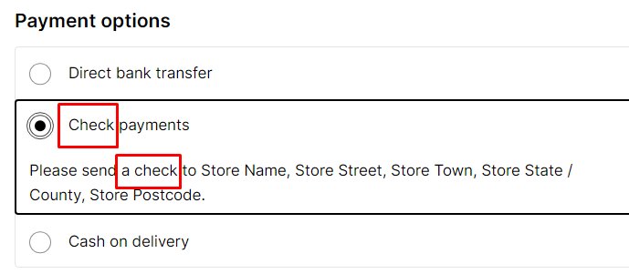
TC_PMS_002 | TS_003 (Payment Method Selection) | Verify direct bank transfer payment with missing details | User is on the checkout page. | 1. Select "Direct Bank Transfer" as the payment method. 2. Submit the order without entering required details. | Missing payment details. | An error message is displayed indicating missing details. | As expected | PASS
TC_PMS_003 | TS_003 (Payment Method Selection) | Verify for all the grammatical and spelling mistake of Checkout page | User is on the checkout page. | 1. Open Checkout page | N/A | Checkout Page should be free of spelling and grammer mistakes | cheque is misspelled as"Check" | FAIL
TC_PMS_004 | TS_003 (Payment Method Selection) | Verify cheque payment | User is on the checkout page. | 1. Select "cheque Payment" as the payment method. 2. Review payment instructions. 3. Submit the order. | N/A | Payment instructions are displayed. | As expected | PASS
TC_PMS_005 | TS_003 (Payment Method Selection) | Verify cheque payment with missing details | User is on the checkout page. | 1. Select "cheque Payment" as the payment method. 2. Submit the order without entering required details. | Missing payment details. | An error message is displayed indicating missing details. | As expected | PASS
TC_PMS_006 | TS_003 (Payment Method Selection) | Verify cash on delivery payment | User is on the checkout page. | 1. Select "Cash on Delivery" as the payment method. 2. Submit the order. | N/A | Order is placed with a note indicating cash on delivery payment. | As expected | PASS
TC_PMS_007 | TS_003 (Payment Method Selection) | Verify cash on delivery payment with restricted areas | User is in a restricted area for cash on delivery. | 1. Select "Cash on Delivery" as the payment method. 2. Submit the order. | Restricted shipping address. | An error message is displayed indicating that cash on delivery is not available in the specified area. | As expected | PASS
TC_PMS_008 | TS_003 (Payment Method Selection) | Verify payment method change | User is on the checkout page. | 1. Select a payment method. 2. Change the payment method. 3. Submit the order. | Different payment method. | Payment is processed successfully with the selected payment method. | As expected | PASS
TC_PMS_009 | TS_003 (Payment Method Selection) | Verify payment method change with invalid data | User is on the checkout page. | 1. Select a payment method. 2. Change the payment method. 3. Enter invalid data for the new payment method. 4. Submit the order. | Invalid payment data. | An error message is displayed indicating invalid payment data. | As expected | PASS
TC_PMS_010 | TS_003 (Payment Method Selection) | Checkout without Selecting Payment Method | User is on the checkout page. | 1. Naviagte to the checkout page. 2. Submit the order without selecting payment method. | N/A | An error message is displayed indicating missing details. | As expected | PASS

